temperature
 | Name | Model | Terminals |  |  | Salicide | W (µm) | L (µm) | Square number | TC1 | TC2
1 | rphpoly | rppolywo | 2 | P+ | poly | no |  |  |  | -1.19E-03 | 6.54E-07
2 | rnhpoly | rnpolywo |  | N+ |  |  |  |  |  | -1.11E-03 | 1.51E-06
 | rplpoly | rppolys |  | P+ |  | yes | 0,3≤W≤2 | 0,45≤L≤100 | 1≤S≤20 | 2.88E-03 | 4.47E-07
3 |  | rppolyl |  |  |  |  | 2≤W≤10 |  |  | 2.64E-03 | 1.92E-06
 | rnlpoly | rnpolys |  | N+ |  |  | 0,3≤W≤2 |  |  | 3.29E-03 | 1.67E-07
4 |  | rnpolyl |  |  |  |  | 2≤W≤10 |  |  | 2.77E-03 | 1.51E-06
5 | rphripoly | rppolyhri | 2 | P- | poly | no | 1≤W≤2 | 2≤L≤5 | 2≤S≤5 | -7.67E-05 | 7.59E-07
6 | rpplus | rpodwo_m | 3 | P+ | diff | no | W≥2 |  |  | 1.28E-03 | 9.43E-07
7 | rnplus | rnodwo_m |  | N+ |  | no |  |  |  | 1.32E-03 | 5.53E-07
 | rplplus | rpods_m |  | P+ | diff | yes | 0,15≤W≤2 |  |  | 3.45E-03 | 4.16E-07
8 |  | rpodl_m |  |  |  |  | W≥2 |  |  | 2.89E-03 | 1.03E-06
 | rnlplus | rnods_m |  | N+ |  |  | 0,15≤W≤2 |  |  | 3.34E-03 | 3.79E-07
9 |  | rnodl_m |  |  |  |  | W≥2 |  |  | 2.97E-03 | 2.89E-07
10 | rnwell | rnwsti | 2 | Nwell/STI | X | X |  |  |  | 2.33E-03 | 8.76E-06
11 | rnwellod | rnwod_m | 3 | Nwell/OD | X | X |  |  |  | 2.62E-03 | 9.25E-06

 | _dis distributed model

temp_simplifié
 | TC1
1 | -1.19E-03
2 | -1.11E-03
3 | 2.64E-03
4 | 2.77E-03
5 | -7.67E-05
6 | 1.28E-03
7 | 1.32E-03
8 | 2.89E-03
9 | 2.97E-03
10 | 2.62E-03
11 | 2.33E-03
 | Name | Model | Terminals |  |  | Salicide | W (µm) | L (µm) | Square number | TC1 | TC2
1 | rphpoly | rppolywo | 2 | P+ | poly | no |  |  |  | -1.19E-03 | 6.54E-07
2 | rnhpoly | rnpolywo |  | N+ |  |  |  |  |  | -1.11E-03 | 1.51E-06
3 | rplpoly | rppolyl |  | P+ |  | yes | 2≤W≤10 | 0,45≤L≤100 | 1≤S≤20 | 2.64E-03 | 1.92E-06
4 | rnlpoly | rnpolyl |  | N+ |  |  |  |  |  | 2.77E-03 | 1.51E-06
5 | rphripoly | rppolyhri |  | P- |  | no | 1≤W≤2 | 2≤L≤5 | 2≤S≤5 | -7.67E-05 | 7.59E-07
6 | rpplus | rpodwo_m | 3 | P+ | diff | no | W≥2 |  |  | 1.28E-03 | 9.43E-07
7 | rnplus | rnodwo_m |  | N+ |  |  |  |  |  | 1.32E-03 | 5.53E-07
8 | rplplus | rpodl_m |  | P+ |  | yes |  |  |  | 2.89E-03 | 1.03E-06
9 | rnlplus | rnodl_m |  | N+ |  |  |  |  |  | 2.97E-03 | 2.89E-07
10 | rnwell | rnwsti | 2 | Nwell/STI | X | X |  |  |  | 2.62E-03 | 9.25E-06
11 | rnwellod | rnwod_m | 3 | Nwell/OD | X | X |  |  |  | 2.33E-03 | 8.76E-06

 | _dis distributed model

 | TC2
1 | 6.54E-07
2 | 1.51E-06
3 | 1.92E-06
4 | 1.51E-06
5 | 7.59E-07
6 | 9.43E-07
7 | 5.53E-07
8 | 1.03E-06
9 | 2.89E-07
10 | 9.25E-06
11 | 8.76E-06

process
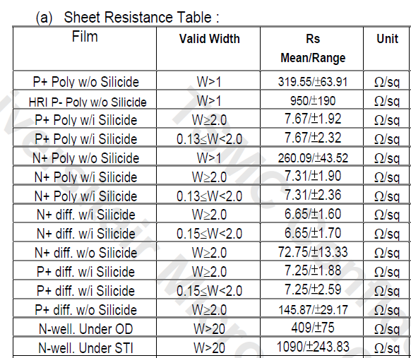
 |  | W > 1 ou 2

 | Name | Model |  |  | Salicide |  | moyenne | Variation 3s | % à 3s
1 | rphpoly | rppolywo | P+ | poly | no | W > 1 | 319.55 | 63.91 | 20%
2 | rnhpoly | rnpolywo | N+ |  |  |  | 260.09 | 43.52 | 17%
3 | rplpoly | rppolyl | P+ |  | yes | W ≥ 2 | 7.67 | 1.92 | 25%
4 | rnlpoly | rnpolyl | N+ |  |  |  | 7.31 | 1.90 | 26%
5 | rphripoly | rppolyhri | P- |  | no | W > 1 | 950.00 | 190.00 | 20%
6 | rpplus | rpodwo_m | P+ | diff | no | W ≥ 2 | 145.87 | 29.17 | 20%
7 | rnplus | rnodwo_m | N+ |  |  |  | 72.75 | 13.33 | 18%
8 | rplplus | rpodl_m | P+ |  | yes |  | 7.25 | 1.88 | 26%
9 | rnlplus | rnodl_m | N+ |  |  |  | 6.65 | 1.60 | 24%
10 | rnwell | rnwsti | Nwell/STI | X | X | W > 20 | 1090.00 | 243.83 | 22%
11 | rnwellod | rnwod_m | Nwell/OD | X | X |  | 409.00 | 75.00 | 18%

 | _dis distributed model
Valeur moyenne résistance en Ω/⇨

Varaition process à 3 sigma

